How to use the spreadsheet
This spreadsheet aims to help the analyse the import of the synthetic phantoms provided by the NCS

On the MeasuredValues sheet, you will find the place where you can fill in:
Your TPS information, as the model in B1 (if you choose other you can enter in D1 a free text name),
the version in B2
The patient demographic data, from B6 to B13
The orientation of the patient images from B14 to E15
The structures information for volume already contoured, like the name and Hounsfiled Unit from C22 to D27,
and the dimensions in X, Y and Z, and the volume of each structure in the contouring module of your TPS
The information for signal value of the MR scan and PET scan, in F22 to F27 and in H22 to H27
The result for the boolean operations you can perform on the imported
structures from D22 to AB31 obtain in the contouring module of your TPS
The results obtained in plan evaluation module of the TPS,
for the volume and mean dose value from R22 to AB31
The results obtained after the import of the shifted and tilted images
(CT and MR), in B36 to 38, and E36 to E38, and E36 to E38

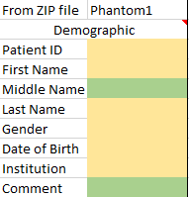

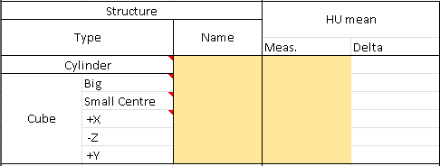

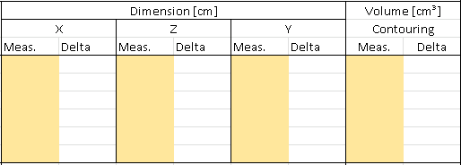

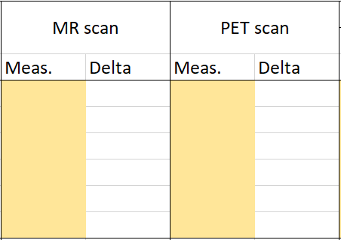

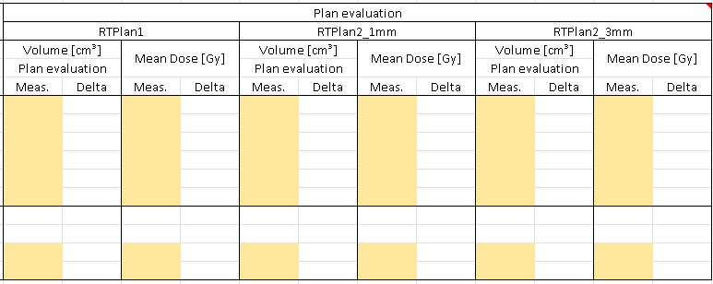

On ReferenceValues sheet, you will find the reference values of the different image sets.

RefValues
Demographic Data |  |  |  |  | TPS
Patient ID | NCSTPSQA2020 |  |  |  | RayStation
First Name | PHANTOM |  |  |  | Monaco
Middle Name |  |  |  |  | Eclipse
Last Name | NCS TPS QA |  |  |  | Pinnacle
Gender | Male |  |  |  | Other
Date of Birth | 2018-04-18
Insitution | NCS
Comment

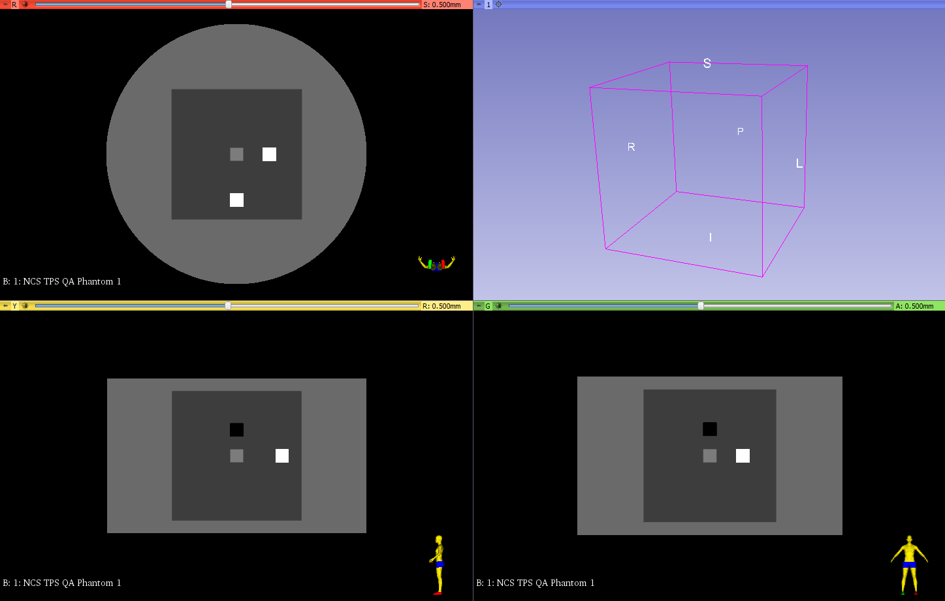
Imaging Data
Directory | phantom1 | phantom1HFP | phantom1FFS | phantom1FFP | phantom1MRT2 | phantom1PET | phantom1Shift | phantom1Tilt | phantom1MRTilt
Files name | CT1_xxx.dcm | CT1_HFP_xxx.dcm | CT1_FFS_xxx.dcm | CT1_FFP_xxx.dcm | MRT2_xxx.dcm | PET_xxx.dcm | CT1_shift_xxx.dcm | CT1_tilt_xxx.dcm | MRtilt_xxx.dcm
Modality | CT | CT | CT | CT | MR | PT | CT | CT | MR
Series Description | NCS TPS QA Phantom 1 | NCS TPS QA Phantom 1 HFP | NCS TPS QA Phantom 1 FFS | NCS TPS QA Phantom 1 FFP | NCS TPS QA Phantom MR T2 | NCS TPS QA Phantom PET FDG | NCS TPS QA Phantom 1 Shifted | NCS TPS QA Phantom 1 Tilted | NCS TPS QA Phantom MR Tilted
Study description |  |  |  |  |  | 18F-FDG PET
Patient Position | HFS | HFP | FFS | FFP | HFS | HFS | HFS
Voxel Size [mm³]
X | 1 | 1 | 1 | 1 | 1 | 2.56 | 1 | 1 | 2
Y | 1 | 1 | 1 | 1 | 1 | 2.8 | 1 | 1 | 4
Z | 1 | 1 | 1 | 1 | 1 | 2.56 | 1 | 1 | 2
Image Size [voxels]
X | 512 | 512 | 512 | 512 | 512 | 200 | 512 | 512 | 256
Y | 280 | 280 | 280 | 280 | 280 | 100 | 280 | 280 | 70
Z | 512 | 512 | 512 | 512 | 512 | 200 | 512 | 512 | 256
Image 1 Patient Position [mm]
X | -255.5 | -255.5 | -255.5 | -255.5 | -255.5 | -254.72 | -255.5 | -255.5 | -255
Y | 139.5 | 139.5 | 139.5 | 139.5 | 139.5 | 138.6 | 139.5 | 93.5 | 92.5
Z | -255.5 | -255.5 | -255.5 | -255.5 | -255.5 | -254.72 | -255.5 | -349 | -347.8

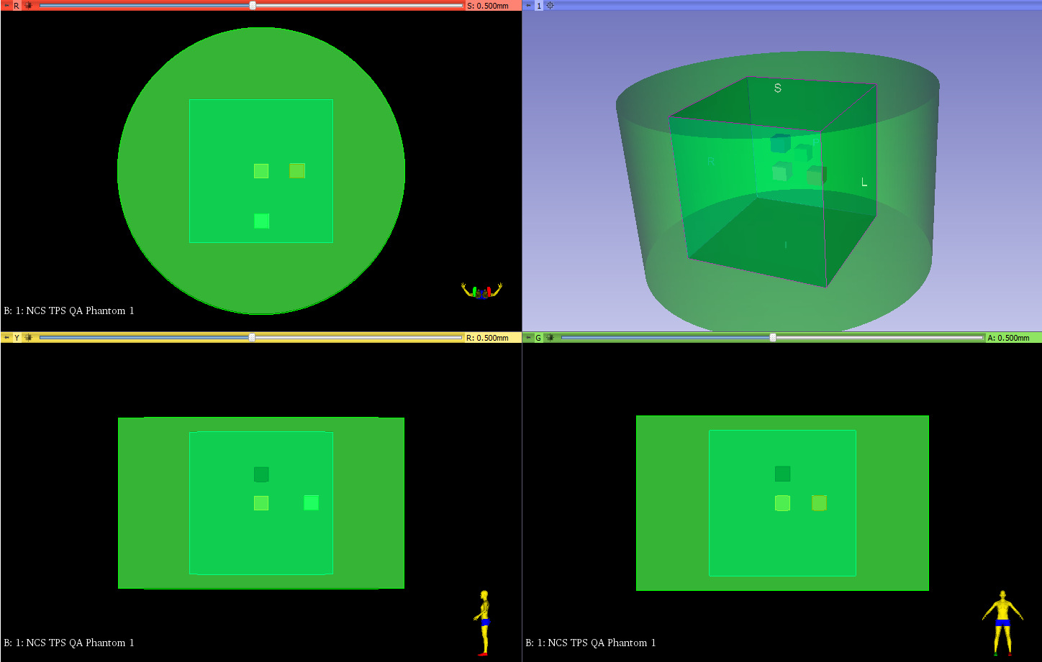
Structures
Directory | phantom1
Files name | RTSS1.dcm
Modality | RTSTRUCT
Series Description | NCS TPS QA RTSS1
Structure set label | RTSS1
Manufacturer model name | WriteDICOMStructures
Geometric type | CLOSED_PLANAR
Name | Type | Slices | Points/Slice | Volume [cm³] | Dimensions [cm] |  |  | HU |  | Position [mm] |  | Dose [Gy] |  | MR Signal value |  | PET Activity [Bq/ml]
 |  |  |  |  | X | Y | Z | Non-overlapping structure | Mean | Top | Bottom | Non-overlapping structure | Mean | Non-overlapping structure | Mean | Non-overlapping structure | Mean
ProsthesisCube | PTV | 20 | 40 | 8 | 2 | 2 | 2 | 4000 | 4000 | 9.5 | -9.5 | 30 | 30 | 0 | 0 | 8000 | 8000
FatCube | Organ | 200 | 400 | 8000 | 20 | 20 | 20 | -100 | -94.46 | 99.5 | -99.5 | 20 | 20.05 | 400 | 398.81 | 3000 | 3036
LungCube | GTV | 20 | 40 | 8 | 2 | 2 | 2 | -700 | -700 | 49.5 | 30.5 | 35 | 35 | 10 | 10 | 8000 | 8000
BoneCube | PTV | 20 | 40 | 8 | 2 | 2 | 2 | 1800 | 1800 | 9.5 | -9.5 | 25 | 25 | 300 | 300 | 8000 | 8000
SoftCube | Avoidance | 20 | 40 | 8 | 2 | 2 | 2 | 40 | 40 | 9.5 | -9.5 | 40 | 40 | 100 | 100 | 24000 | 24000
WaterCylinder | External | 240 | 201 | 30159.3 | 40 | 24 | 40 | 0 | -25.06 | 119.5 | -119.5 | 5 | 8.992 | 700 | 620.11 | 500 | 1172.69

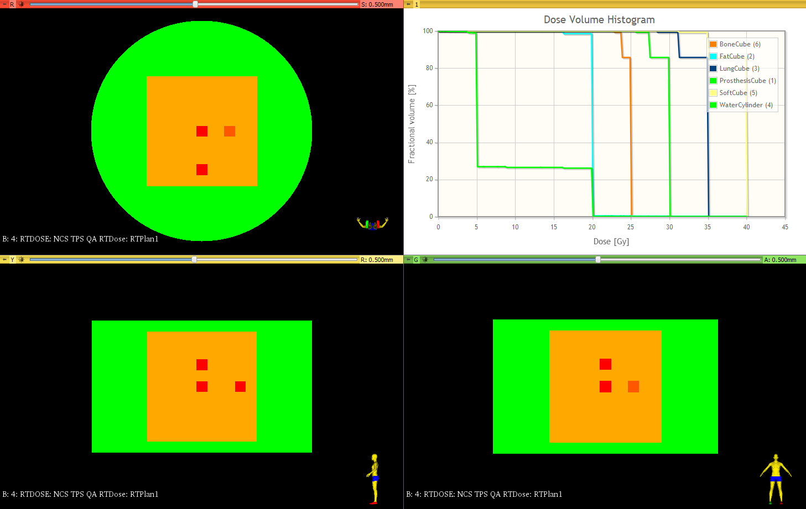
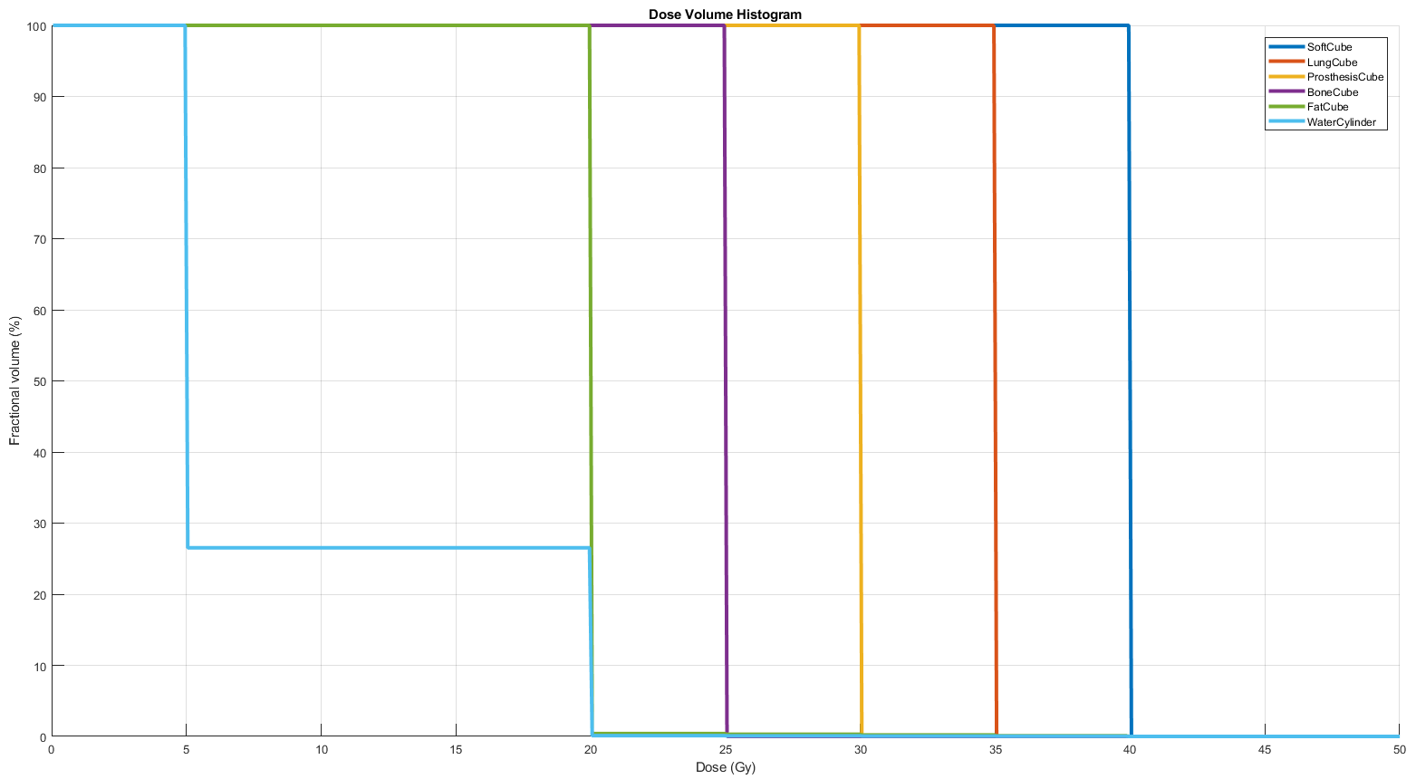
RTPLan
Nominal plan |  |  |  |  |  |  |  |  |  |  | Plan with 3mm dose grid |  |  |  | Plan with 1mm dose grid
Directory | phantom1 |  |  |  |  |  |  |  |  |  | Directory | phantom1rt2 |  |  | Directory | phantom1rt3
Files name | RTPlan1.dcm |  |  |  |  |  |  |  |  |  | Files name | RTPlan2_3mm.dcm |  |  | Files name | RTPlan3_1mm.dcm
Modality | RTPLAN |  |  |  |  |  |  |  |  |  | Modality | RTPLAN |  |  | Modality | RTPLAN
Series description | NCS TPS QA RTPlan |  |  |  |  |  |  |  |  |  | Series description | NCS TPS QA RTPlan2 3mm |  |  | Series description | NCS TPS QA RTPlan3 1mm
Manufacturer model name | WriteDICOMPlan
Fields
Number | Name | Energy [MV] | Gantry [°] | Collimator [°] | MU | Jaws aperture
 |  |  |  |  |  | X1 | X2 | Y1 | Y2
1 | ant | 18 | 0 | 0 | 1634.35 | -20 | 20 | -20 | 20
2 | post | 18 | 180 | 0 | 1770.69 | -20 | 20 | -20 | 20

RTDose
Nominal plan |  |  |  |  |  |  |  |  |  |  | Nominal plan |  |  |  | Nominal plan |  |  | Name | Nominal Dose [Gy] |  | Dose statistic for 3mm and 1mm grid size
Directory | phantom1 |  |  |  |  |  |  |  |  |  | Directory | phantom1rt2 |  |  | Directory | phantom1rt3 |  |  | Non-overlapping structure | Mean | Min | Max | Mean | D1% | D5% | D20% | D50% | D80% | D95% | D99%
Files name | RTDose1.dcm |  |  |  |  |  |  |  |  |  | Files name | RTDose2_3mm.dcm |  |  | Files name | RTDose3_1mm.dcm |  | ProsthesisCube | 30 | 30 | 10.04 | 38.48 | 23.33 | 11.3 | 13.42 | 16.34 | 24.15 | 28.63 | 32.79 | 38.48
Modality | RTDOSE |  |  |  |  |  |  |  |  |  | Modality | RTDOSE |  |  | Modality | RTDOSE |  | FatCube | 20 | 20.05 | 2.02 | 50.4 | 8.83 | 2.42 | 6.59 | 7.69 | 8.65 | 9.96 | 11.87 | 13.97
Series description | NCS TPS QA RTDose |  |  |  |  |  |  |  |  |  | Series description | NCS TPS QA RTDose2 3mm |  |  | Series description | NCS TPS QA RTDose3 1mm |  | LungCube | 35 | 35 | 11.8 | 44.61 | 27.23 | 13.12 | 16.11 | 17.74 | 28.48 | 32.77 | 37.13 | 44.61
Manufacturer model name | WriteDICOMDose |  |  |  |  |  |  |  |  |  | Dose Grid Size [mm] |  |  |  | Dose Grid Size [mm] |  |  | BoneCube | 25 | 25 | 11.17 | 32.28 | 20.03 | 12.25 | 13.1 | 16.21 | 19.96 | 23.43 | 27.42 | 32.28
Dose Grid Size [mm] |  |  |  |  |  |  |  |  |  |  | X | Y | Z |  | X | Y | Z | SoftCube | 40 | 40 | 14.89 | 50.4 | 31.29 | 16.02 | 18.85 | 20.4 | 32.88 | 36.64 | 43.31 | 50.4
X | Y | Z |  |  |  |  |  |  |  |  | 1 | 1 | 1 |  | 3 | 3 | 3 | WaterCylinder | 5 | 8.992 | 0.05 | 50.4 | 3.78 | 0.86 | 1.83 | 2 | 2 | 7.85 | 10.04 | 12.26
1 | 1 | 1 |  |  |  |  |  |  |  |  | Image size [voxels] |  |  |  | Image size [voxels]
 |  |  |  |  |  |  |  |  |  |  | 170 | 92 | 170 |  | 510 | 276 | 510

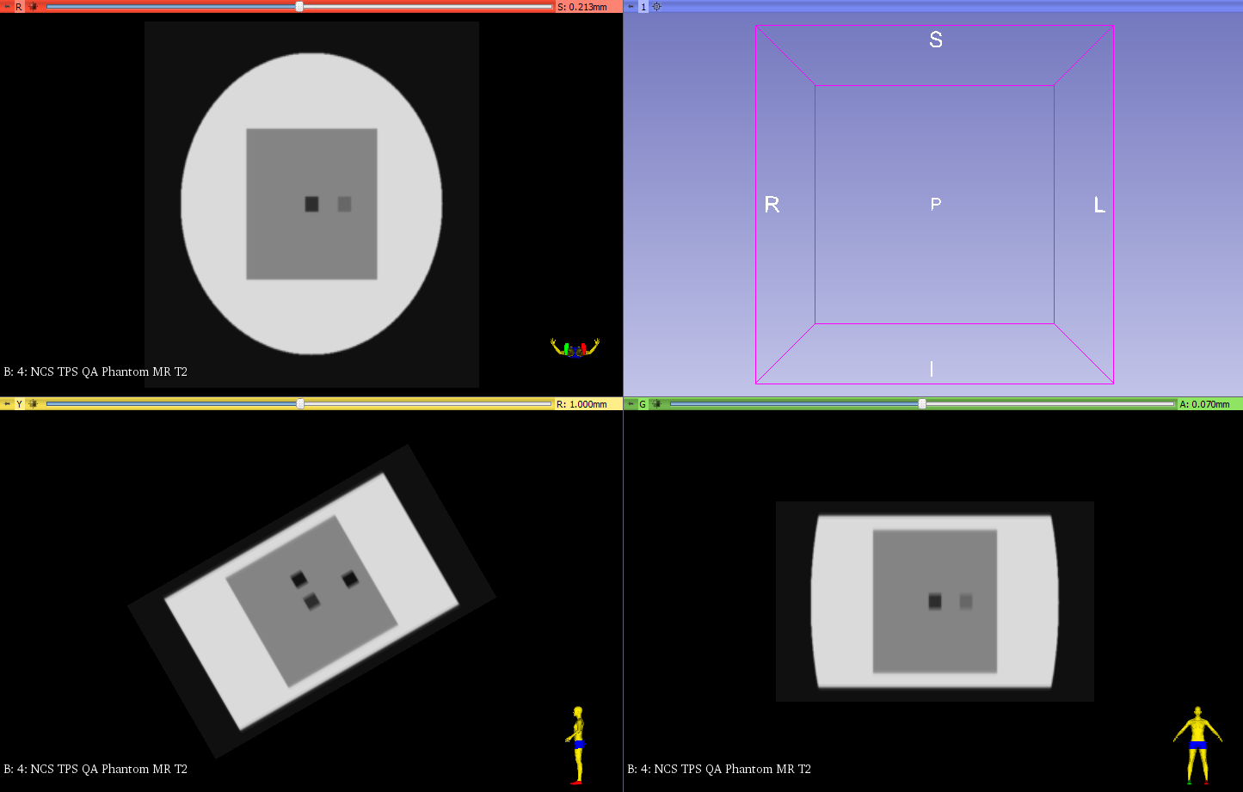
Rigid REG Dicom file
Translation |  |  |  |  |  | Rotation
Directory | phantom1Shift |  |  |  |  | Directory | phantom1Shift
Files name | REG_shift.dcm |  |  |  |  | Files name | CT1_shift_xxx.dcm
Modality | REG |  |  |  |  | Modality | REG
Series description | NCS TPS QA REG Shifts |  |  |  |  | Series description | NCS TPS QA REG tilt
Translation vector [mm] |  |  | Rotation vector [°] |  |  | Translation vector [mm] |  |  | Rotation vector [°]
X | -30 |  | Pitch | 0 |  | X | 0 |  | Pitch | -30
Y | 10 |  | Roll | 0 |  | Y | 0 |  | Roll | 0
Z | -20 |  | Yaw | 0 |  | Z | 0 |  | Yaw | 0
Transformation Matrix |  |  |  |  |  | Transformation Matrix
 | 1 | 0 | 0 | -30 |  |  | 1 | 0 | 0 | 0
 | 0 | 1 | 0 | -20 |  |  | 0 | 0.87 | 0.5 | 0
 | 0 | 0 | 1 | 10 |  |  | 0 | -0.5 | 0.87 | 0
 | 0 | 0 | 0 | 1 |  |  | 0 | 0 | 0 | 1

Structures expansion and shrinkage
Directory | phantom2
Files name | CT2_xxx.dcm
Modality | CT
Series Description | NCS TPS QA Phantom 2
Study description
Patient Position | HFS
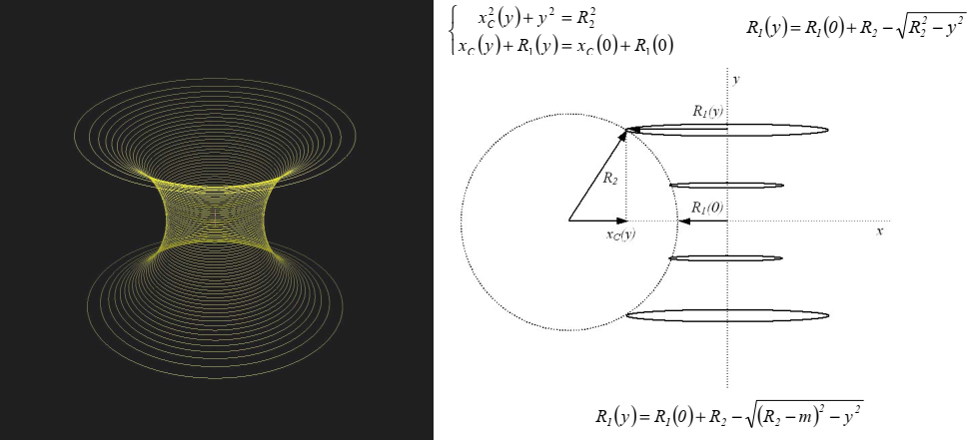
Voxel Size [mm³]
X | 1
Y | 1
Z | 1
Image Size [voxels]
X | 512
Y | 300
Z | 512

Structures
Directory
Files name
Modality | RTSRUCT
Series Description
Structure set label
Manufacturer model name
Geometric type | CLOSED_PLANAR
Name | Dimensions [mm] |  |  | Volume | HU
 | X/R1(0) | Y/R2 | Z/m | [cm³] | Non-overlapping structure | Mean
Cylinder | 400 | 280 | 400 | 35175.6 | 0 | 38.06
Diabolo1 | 40 | 150 | 0 | 1777 | 40 | 1309.34
Diabolo+ | 40 | 150 | 10 | 3188.1 | -700 | 419.98
Diabolo- | 40 | 150 | -5 | 1281.6 | 1800 | 1800

